Markov e MTTF
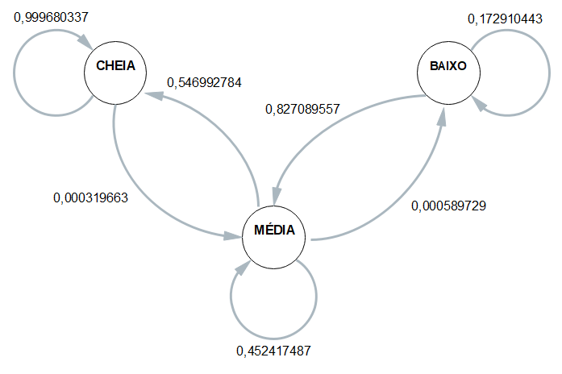
 | ESP1 | ESP2 | ESP3 | ESP4 | MÉDIA
CC | 0.99968424376 | 0.99968081711 | 0.99967897271 | 0.99967731526 | 0.99968033721
CM | 0.00031575623619 | 0.0003191828918 | 0.00032102728732 | 0.00032268473701 | 0.00031966278808
CB | 0 | 0 | 0 | 0 | 0

MC | 0.56239412761 | 0.53892215569 | 0.53892215569 | 0.5477326969 | 0.54699278397
MM | 0.43704121965 | 0.46047904192 | 0.46047904192 | 0.45167064439 | 0.45241748697
MB | 0.00056465273857 | 0.00059880239521 | 0.00059880239521 | 0.00059665871122 | 0.00058972906005

BC | 0 | 0 | 0 | 0 | 0
BM | 0.81072555205 | 0.82371794872 | 0.82504012841 | 0.84887459807 | 0.82708955681
BB | 0.18927444795 | 0.17628205128 | 0.17495987159 | 0.15112540193 | 0.17291044319

 | Esp1 | Esp2 | Esp3 | Esp4
Hora Inicial | 1900-01-01 08:42:08 | 1900-01-01 08:47:38 | 1900-01-01 08:53:10 | 1900-01-01 08:59:22 |  | 1900-01-01 08:50:35
Hora Limite 2,8 | 22:43:32 | 22:26:02 | 22:28:30 | 22:33:00 |  | 22:32:46
Hora final | 1900-01-01 00:31:35 | 1900-01-01 00:12:22 | 1900-01-01 00:14:40 | 1900-01-01 00:18:59 | MTTF | 1900-01-01 00:19:24
total de horas até 2,8 | 9:58:36 | 10:21:36 | 10:24:40 | 10:26:23 | 10:17:49 | 10:17:49

